USING A GIST
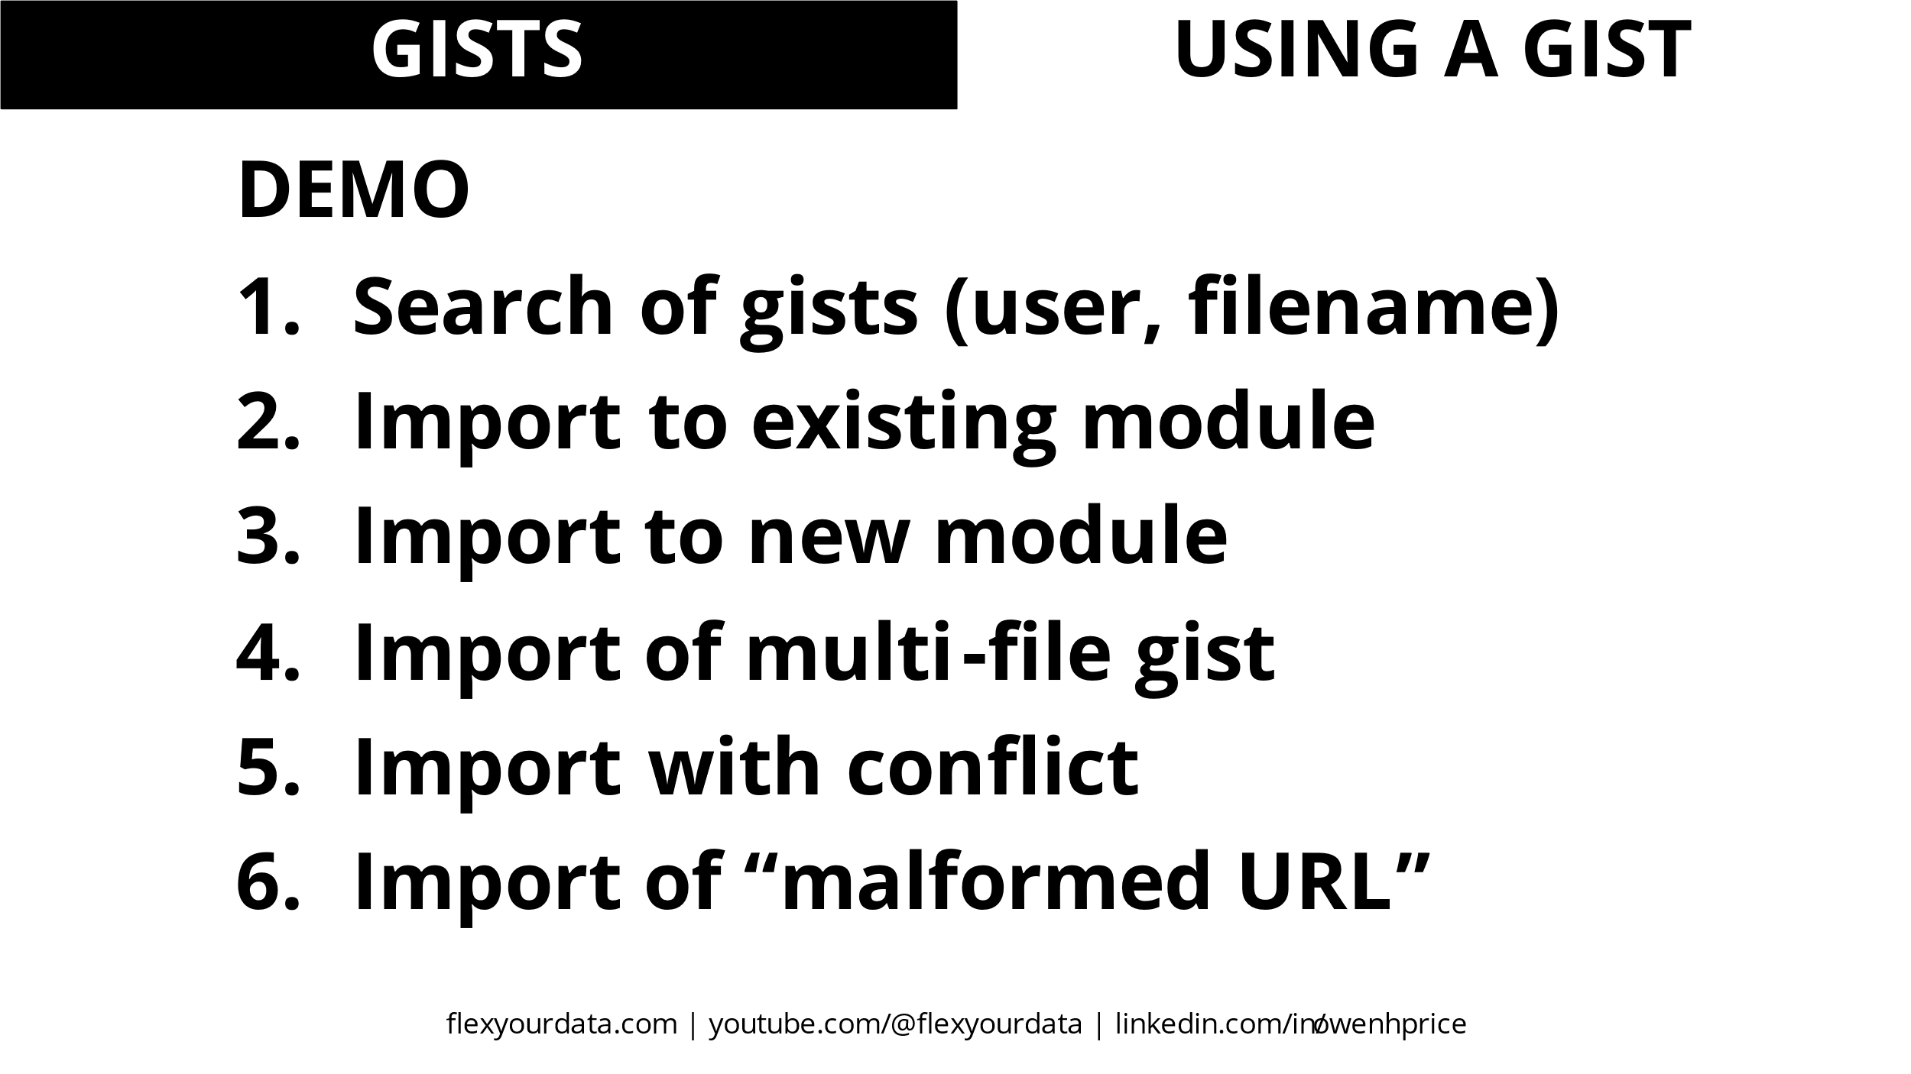

USING GIT
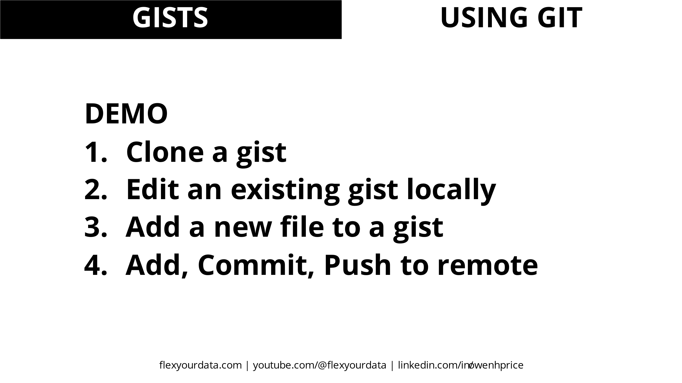

LAMBDA NAMES
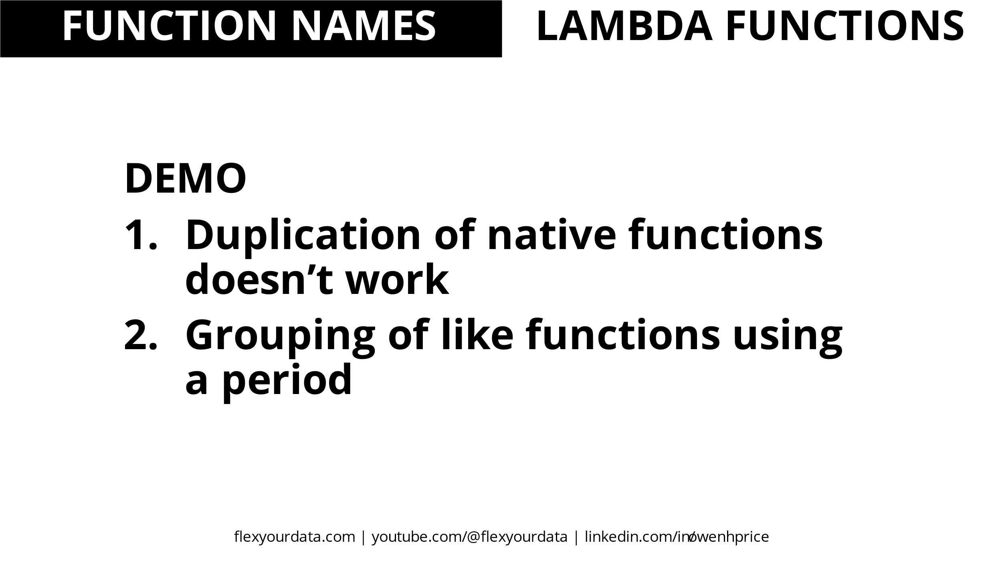

OPTIONAL PARAMETERS
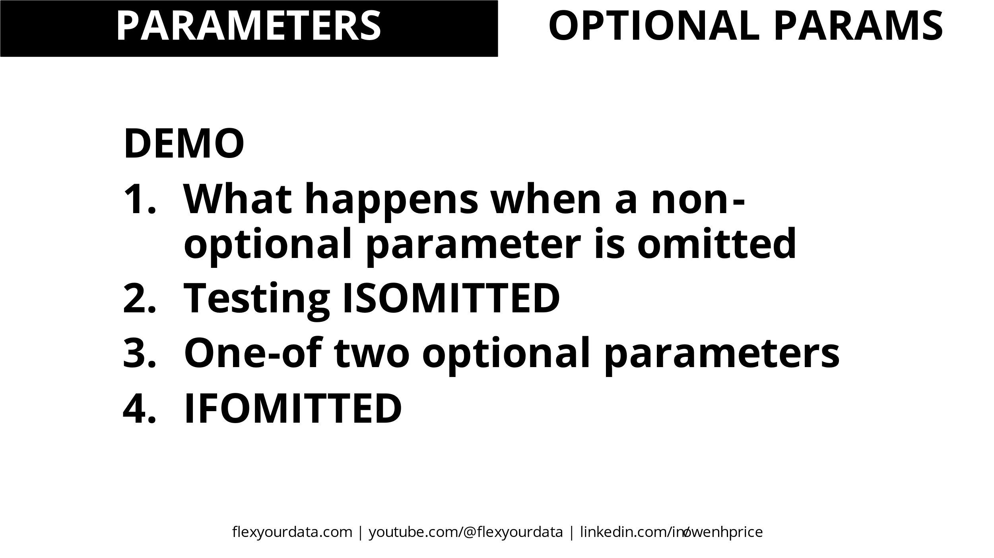

ISOMITTED and IFOMITTED (ADD.SIMPLE etc)
=ADD.SIMPLE(1,2) | 3 | Both params provided
=ADD.SIMPLE(1) |  | Missing second required param
=ADD.ISOMITTED.REQUIRED(1) |  | ISOMITTED on required param
=ADD.ISOMITTED.OPTIONAL(1) | 1 | ISOMITTED on optional param
=ADD.IFOMITTED(1) | 1 | IFOMITTED

One-of-two optional parameters (ADD.ALT)
=ADD.ALT(,2) | 2 | a omitted, b provided
=ADD.ALT(1,) | 1 | a provided, b omitted
=ADD.ALT() | #VALUE! | both omitted
=ADD.ALT(1,2) | #VALUE! | both provided

PARAMETER TYPES DOMAINS
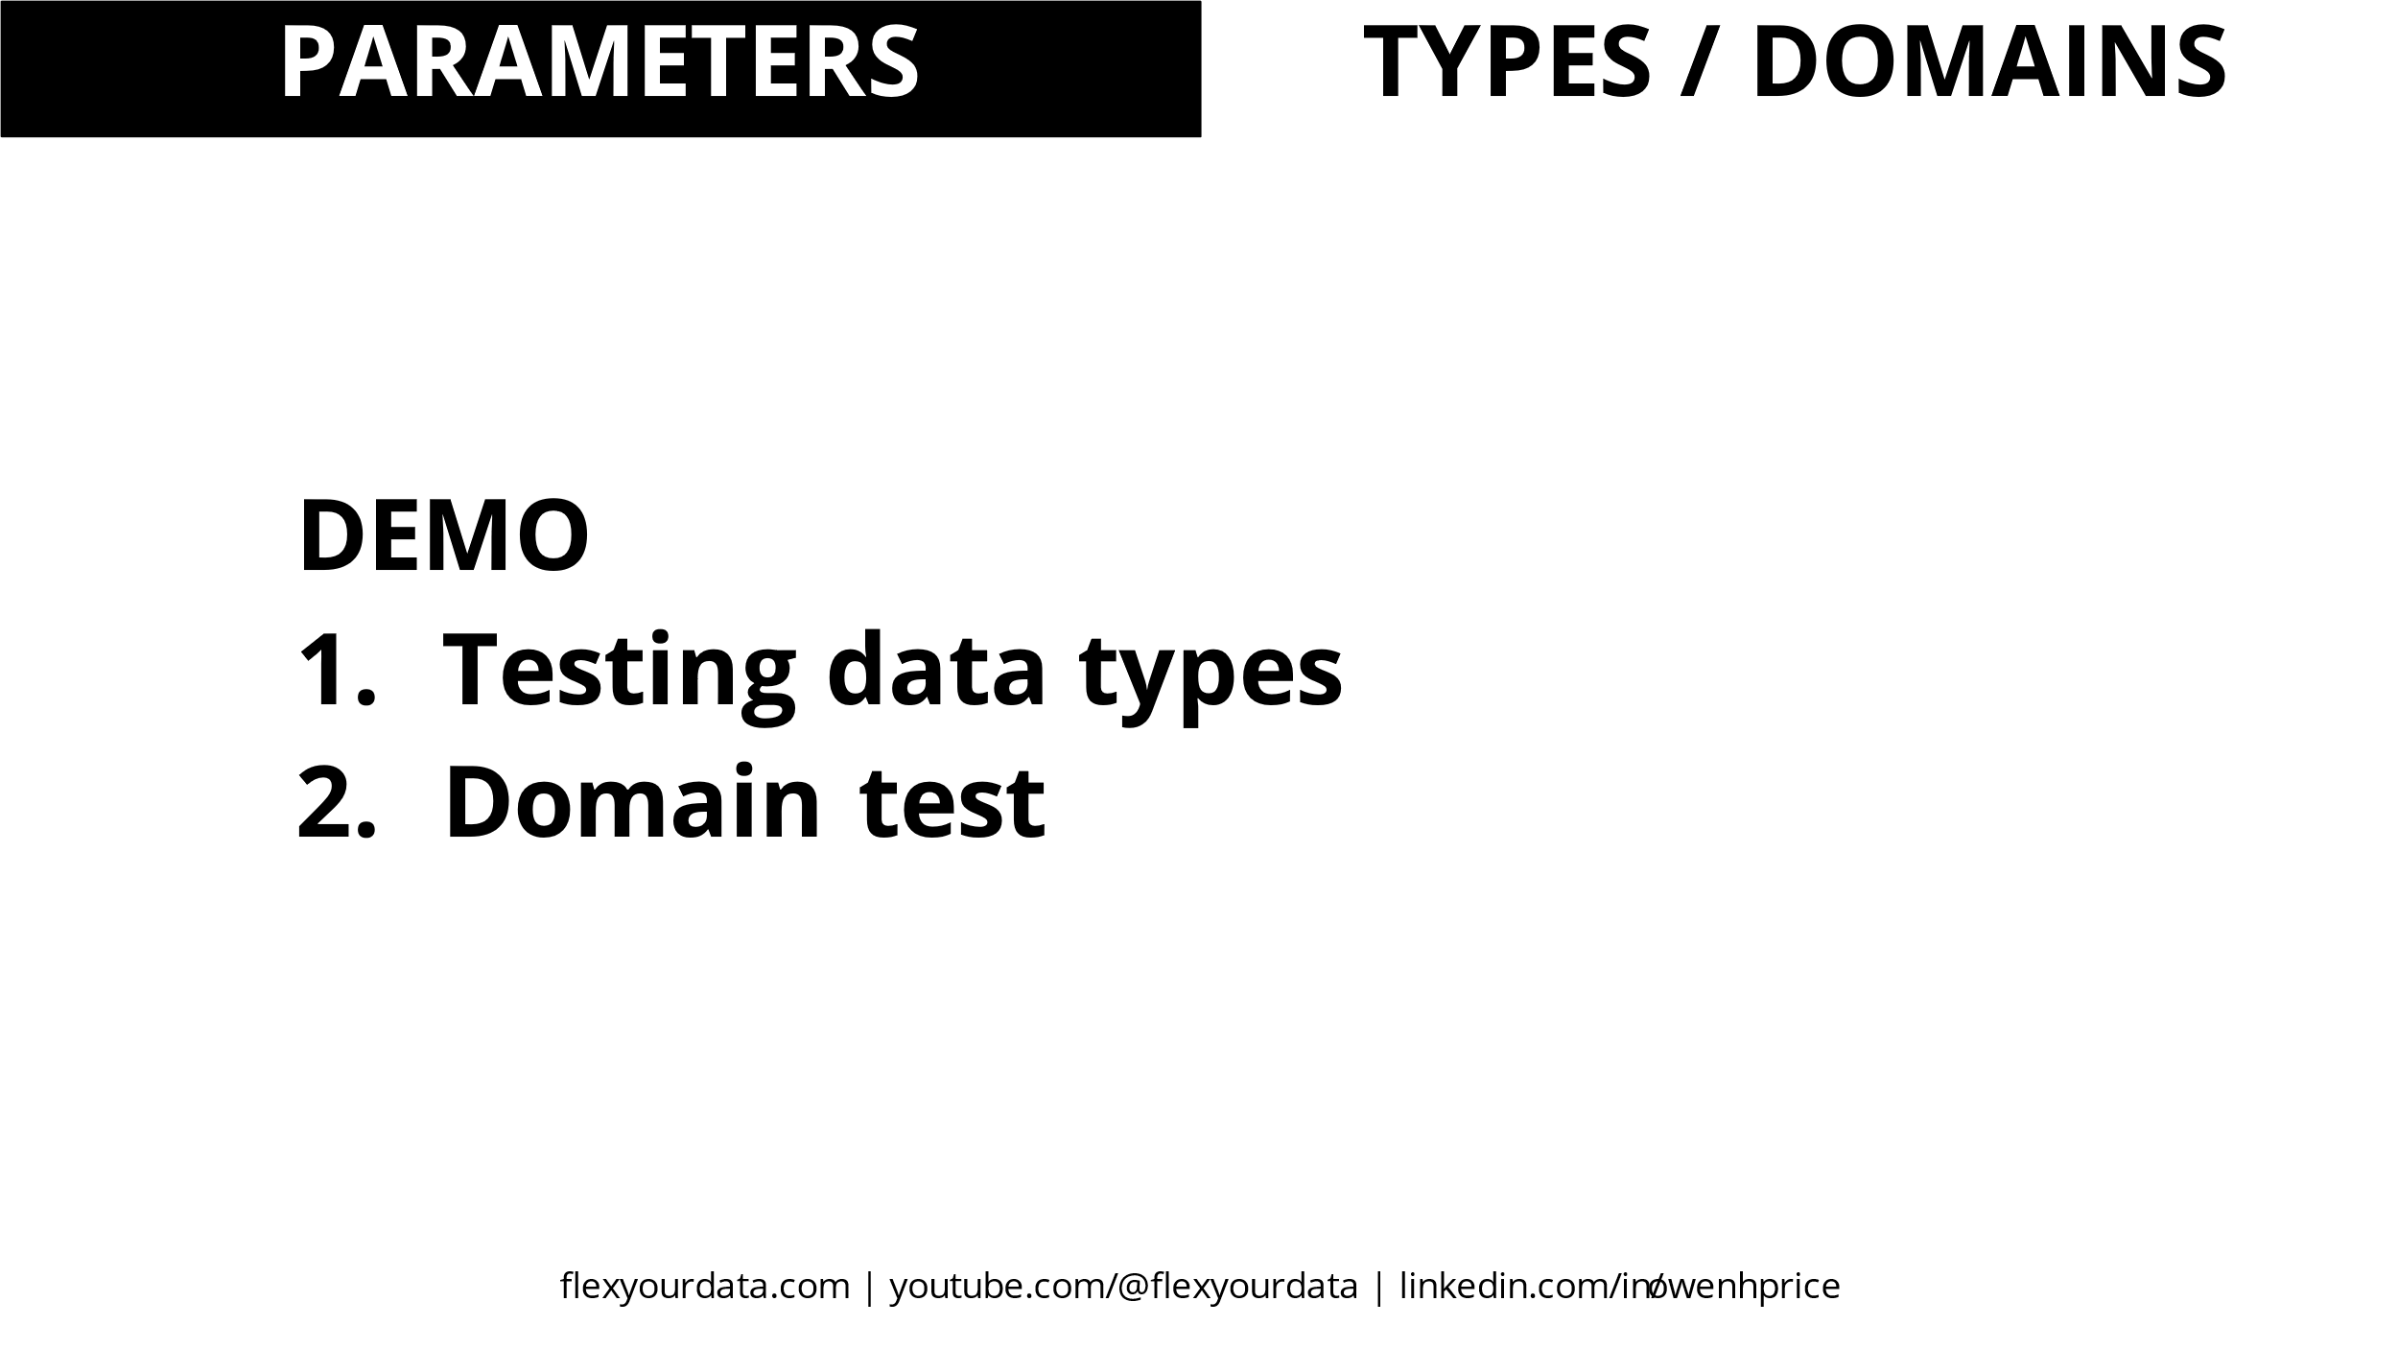

ADDONE.SIMPLE etc
=ADDONE.SIMPLE("a") | #VALUE! | Provide text instead of number
=ADDONE.TYPE("a") | param 'number' must be numeric | Provide text and return message
=ADDONE.RANGE(5) | 6 | Provide number
=ADDONE.RANGE(11) | param 'number' must be numeric and between 1 and 10 | Provide out of range number

CURRYING
